Daily Power Station Chart_14-01
Plant_30/07/2025Chart

Plant:odco1 |  |  | Installed Capacity:111.180kWp
Today Yield(kWh):567.900kWh |  | Today Earning:227160.000TND |  | Today Full Load Hours(h):5.11h

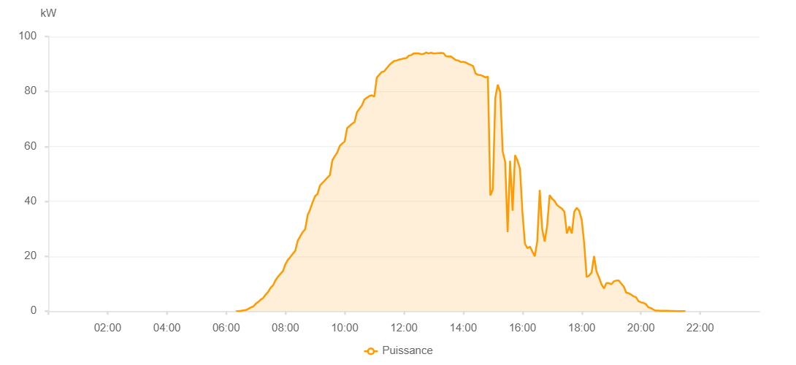

Number | Time | Working State | PV(W) | Instantaneous Radiation(W/㎡)
1 | 06:20:00 | Online | 20.00000 | 0
2 | 06:25:00 | Online | 40.00000 | 0
3 | 06:30:00 | Online | 120.00000 | 2.00000
4 | 06:35:00 | Online | 0.00001 | 0.00001
5 | 06:40:00 | Online | 380.00000 | 3.00000
6 | 06:50:00 | Online | 1380.00000 | 11.00000
7 | 06:55:00 | Online | 1720.00000 | 18.00000
8 | 07:00:00 | Online | 2700.00000 | 25.00000
9 | 07:05:00 | Online | 3370.00000 | 33.00000
10 | 07:10:00 | Online | 4230.00000 | 45.00000
11 | 07:15:00 | Online | 4800.00000 | 56.00000
12 | 07:20:00 | Online | 6030.00000 | 68.00000
13 | 07:25:00 | Online | 7020.00000 | 81.00000
14 | 07:30:00 | Online | 8540.00000 | 96.00000
15 | 07:35:00 | Online | 9430.00000 | 114.00000
16 | 07:40:00 | Online | 11250.00000 | 133.00000
17 | 07:45:00 | Online | 12550.00000 | 152.00000
18 | 07:50:00 | Online | 13580.00000 | 170.00000
19 | 07:55:00 | Online | 14570.00000 | 190.00000
20 | 08:00:00 | Online | 17140.00000 | 209.00000
21 | 08:05:00 | Online | 18690.00000 | 229.00000
22 | 08:10:00 | Online | 19720.00000 | 249.00000
23 | 08:15:00 | Online | 20900.00000 | 269.00000
24 | 08:20:00 | Online | 22010.00000 | 290.00000
25 | 08:25:00 | Online | 25670.00000 | 310.00000
26 | 08:30:00 | Online | 27300.00000 | 329.00000
27 | 08:35:00 | Online | 28780.00000 | 350.00000
28 | 08:40:00 | Online | 29830.00000 | 371.00000
29 | 08:45:00 | Online | 34960.00000 | 390.00000
30 | 08:50:00 | Online | 37020.00000 | 409.00000
31 | 08:55:00 | Online | 39630.00000 | 430.00000
32 | 09:00:00 | Online | 41810.00000 | 447.00000
33 | 09:05:00 | Online | 42700.00000 | 466.00000
34 | 09:10:00 | Online | 45730.00000 | 486.00000
35 | 09:15:00 | Online | 46710.00000 | 505.00000
36 | 09:20:00 | Online | 47640.00000 | 522.00000
37 | 09:25:00 | Online | 48630.00000 | 541.00000
38 | 09:30:00 | Online | 49510.00000 | 560.00000
39 | 09:35:00 | Online | 54920.00000 | 576.00000
40 | 09:40:00 | Online | 56450.00000 | 592.00000
41 | 09:45:00 | Online | 57750.00000 | 609.00000
42 | 09:50:00 | Online | 60150.00000 | 627.00000
43 | 09:55:00 | Online | 61030.00000 | 643.00000
44 | 10:00:00 | Online | 61770.00000 | 660.00000
45 | 10:05:00 | Online | 66690.00000 | 672.00000
46 | 10:10:00 | Online | 67460.00000 | 690.00000
47 | 10:15:00 | Online | 68220.00000 | 704.00000
48 | 10:20:00 | Online | 68850.00000 | 718.00000
49 | 10:25:00 | Online | 72490.00000 | 733.00000
50 | 10:35:00 | Online | 74940.00000 | 758.00000
51 | 10:40:00 | Online | 77050.00000 | 772.00000
52 | 10:45:00 | Online | 77740.00000 | 785.00000
53 | 10:50:00 | Online | 78340.00000 | 796.00000
54 | 10:55:00 | Online | 78600.00000 | 807.00000
55 | 11:00:00 | Online | 78110.00000 | 817.00000
56 | 11:05:00 | Online | 85020.00000 | 828.00000
57 | 11:10:00 | Online | 86100.00000 | 840.00000
58 | 11:15:00 | Online | 87060.00000 | 849.00000
59 | 11:20:00 | Online | 87300.00000 | 857.00000
60 | 11:25:00 | Online | 88440.00000 | 870.00000
61 | 11:30:00 | Online | 89520.00000 | 878.00000
62 | 11:35:00 | Online | 90390.00000 | 886.00000
63 | 11:40:00 | Online | 91120.00000 | 894.00000
64 | 11:45:00 | Online | 91240.00000 | 901.00000
65 | 11:50:00 | Online | 91620.00000 | 906.00000
66 | 11:55:00 | Online | 91780.00000 | 911.00000
67 | 12:00:00 | Online | 92050.00000 | 915.00000
68 | 12:05:00 | Online | 92140.00000 | 919.00000
69 | 12:10:00 | Online | 93060.00000 | 924.00000
70 | 12:15:00 | Online | 93250.00000 | 927.00000
71 | 12:20:00 | Online | 93850.00000 | 932.00000
72 | 12:25:00 | Online | 93860.00000 | 934.00000
73 | 12:30:00 | Online | 93800.00000 | 933.00000
74 | 12:35:00 | Online | 93580.00000 | 936.00000
75 | 12:40:00 | Online | 93670.00000 | 937.00000
76 | 12:45:00 | Online | 94180.00000 | 941.00000
77 | 12:50:00 | Online | 93820.00000 | 937.00000
78 | 12:55:00 | Online | 94100.00000 | 936.00000
79 | 13:00:00 | Online | 93830.00000 | 939.00000
80 | 13:05:00 | Online | 93870.00000 | 939.00000
81 | 13:10:00 | Online | 93980.00000 | 939.00000
82 | 13:15:00 | Online | 94030.00000 | 938.00000
83 | 13:20:00 | Online | 93970.00000 | 938.00000
84 | 13:25:00 | Online | 92810.00000 | 939.00000
85 | 13:30:00 | Online | 92720.00000 | 930.00000
86 | 13:35:00 | Online | 92770.00000 | 926.00000
87 | 13:40:00 | Online | 92120.00000 | 921.00000
88 | 13:45:00 | Online | 91410.00000 | 917.00000
89 | 13:50:00 | Online | 91260.00000 | 915.00000
90 | 13:55:00 | Online | 90710.00000 | 910.00000
91 | 14:00:00 | Online | 90790.00000 | 903.00000
92 | 14:05:00 | Online | 90550.00000 | 901.00000
93 | 14:10:00 | Online | 90090.00000 | 890.00000
94 | 14:15:00 | Online | 89660.00000 | 882.00000
95 | 14:20:00 | Online | 89260.00000 | 871.00000
96 | 14:25:00 | Online | 86560.00000 | 859.00000
97 | 14:30:00 | Online | 86030.00000 | 849.00000
98 | 14:35:00 | Online | 85960.00000 | 841.00000
99 | 14:40:00 | Online | 85600.00000 | 836.00000
100 | 14:45:00 | Online | 85080.00000 | 828.00000
101 | 14:50:00 | Online | 85410.00000 | 825.00000
102 | 14:55:00 | Online | 42130.00000 | 885.00000
103 | 15:00:00 | Online | 44230.00000 | 387.00000
104 | 15:05:00 | Online | 77670.00000 | 554.00000
105 | 15:10:00 | Online | 82460.00000 | 822.00000
106 | 15:15:00 | Online | 79800.00000 | 788.00000
107 | 15:20:00 | Online | 58140.00000 | 814.00000
108 | 15:25:00 | Online | 54350.00000 | 375.00000
109 | 15:30:00 | Online | 28810.00000 | 254.00000
110 | 15:35:00 | Online | 54730.00000 | 398.00000
111 | 15:40:00 | Online | 36570.00000 | 848.00000
112 | 15:45:00 | Online | 56810.00000 | 887.00000
113 | 15:50:00 | Online | 54820.00000 | 848.00000
114 | 15:55:00 | Online | 51850.00000 | 799.00000
115 | 16:00:00 | Online | 35980.00000 | 751.00000
116 | 16:05:00 | Online | 24580.00000 | 709.00000
117 | 16:10:00 | Online | 22940.00000 | 226.00000
118 | 16:15:00 | Online | 23540.00000 | 228.00000
119 | 16:25:00 | Online | 19970.00000 | 191.00000
120 | 16:30:00 | Online | 25480.00000 | 218.00000
121 | 16:35:00 | Online | 44130.00000 | 339.00000
122 | 16:40:00 | Online | 29840.00000 | 248.00000
123 | 16:45:00 | Online | 25360.00000 | 279.00000
124 | 16:50:00 | Online | 31030.00000 | 221.00000
125 | 16:55:00 | Online | 42250.00000 | 418.00000
126 | 17:00:00 | Online | 40930.00000 | 481.00000
127 | 17:05:00 | Online | 40130.00000 | 466.00000
128 | 17:10:00 | Online | 38640.00000 | 425.00000
129 | 17:15:00 | Online | 37910.00000 | 404.00000
130 | 17:20:00 | Online | 37330.00000 | 353.00000
131 | 17:25:00 | Online | 36170.00000 | 345.00000
132 | 17:30:00 | Online | 28270.00000 | 311.00000
133 | 17:35:00 | Online | 30840.00000 | 305.00000
134 | 17:40:00 | Online | 28280.00000 | 149.00000
135 | 17:45:00 | Online | 36300.00000 | 252.00000
136 | 17:50:00 | Online | 37600.00000 | 327.00000
137 | 17:55:00 | Online | 36530.00000 | 222.00000
138 | 18:00:00 | Online | 33340.00000 | 296.00000
139 | 18:05:00 | Online | 24770.00000 | 235.00000
140 | 18:10:00 | Online | 12410.00000 | 201.00000
141 | 18:15:00 | Online | 12960.00000 | 166.00000
142 | 18:20:00 | Online | 14050.00000 | 122.00000
143 | 18:25:00 | Online | 20060.00000 | 173.00000
144 | 18:30:00 | Online | 14410.00000 | 148.00000
145 | 18:35:00 | Online | 12300.00000 | 105.00000
146 | 18:40:00 | Online | 9820.00000 | 90.00000
147 | 18:45:00 | Online | 8250.00000 | 72.00000
148 | 18:50:00 | Online | 10260.00000 | 63.00000
149 | 18:55:00 | Online | 10220.00000 | 74.00000
150 | 19:00:00 | Online | 9780.00000 | 77.00000
151 | 19:05:00 | Online | 10830.00000 | 85.00000
152 | 19:10:00 | Online | 11140.00000 | 98.00000
153 | 19:15:00 | Online | 11160.00000 | 95.00000
154 | 19:20:00 | Online | 10030.00000 | 85.00000
155 | 19:25:00 | Online | 9040.00000 | 73.00000
156 | 19:30:00 | Online | 6780.00000 | 56.00000
157 | 19:35:00 | Online | 6520.00000 | 47.00000
158 | 19:40:00 | Online | 6030.00000 | 46.00000
159 | 19:45:00 | Online | 5400.00000 | 44.00000
160 | 19:50:00 | Online | 5100.00000 | 35.00000
161 | 19:55:00 | Online | 3630.00000 | 31.00000
162 | 20:00:00 | Online | 3200.00000 | 24.00000
163 | 20:05:00 | Online | 3040.00000 | 23.00000
164 | 20:10:00 | Online | 2560.00000 | 20.00000
165 | 20:15:00 | Online | 1410.00000 | 16.00000
166 | 20:20:00 | Online | 1160.00000 | 11.00000
167 | 20:25:00 | Online | 580.00000 | 8.00000
168 | 20:30:00 | Online | 170.00000 | 4.00000
169 | 20:35:00 | Online | 170.00000 | 1.00000
170 | 20:40:00 | Online | 120.00000 | 1.00000
171 | 20:45:00 | Online | 120.00000 | 0
172 | 20:50:00 | Online | 120.00000 | 0
173 | 20:55:00 | Online | 120.00000 | 0
174 | 21:00:00 | Online | 40.00000 | 0
175 | 21:05:00 | Online | 40.00000 | 0
176 | 21:15:00 | Online | 20.00000 | 0
177 | 21:20:00 | Online | 20.00000 | 0
178 | 21:25:00 | Online | 20.00000 | 0
179 | 21:30:00 | Online | 20.00000 | 0
180 | 21:55:00 | Online | 0.00001 | 0.00001

